Product
PT. NUTRIFOOD INDONESIA |  |  | KODE FORM : F.Q.201


PENGEMBANGAN KONSEP AWAL PRODUK BARU
( PKP )
Tropicana Slim®
Frost
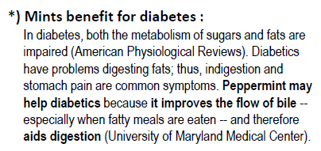
Author |  | : | Noviana
Last Updated On |  | : | 7 Aug 2018
 | Revision No | : | 0
Background
Idea | Add mint to TS Sweetener (new variants)
Target market | MF 35+ SU-U1
Uniqueness of idea | niche
Estimated potential market | niche
Reason(s) | 1.Sweetener category is not growing healthily (stagnant) --> TS role as market leader to rejuvenate. 2.Consumer wants experience 3.Mint is good for diabetes, because it refresh their breath (diabetes tends to have problem with mouth odor) & aids digestion* *) Details see on the right side
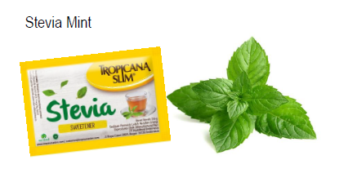
Market Analysis
Launch Deadline | ASAP, with regards to storage test
Aisle Placement | e-com first (taste the water)
Sales Forecast | Rp.30,000,000
Selling Price | IDR 35,000
Main Competitor | Diabetasol Sweetener
Competitive Analysis | Hedonik ok
Product Features
Product Form | table top sweetener (existing)
Product Packaging | existing
Kategori Pangan (BPOM)
Prefered Flavour | mild mint flavor
Product Benefits | existing
 | ensure no problem related to water content (clumpy, etc)
 | refresh breath & tolerable mint taste

Mandatory Ingredients | mint flavor, a little bit of mint (for claim only)
Related Picture
ATTENTION!
 | compulsory; filled by QBX (brand function) Managers
 | should only be filled with great certainty
 | should only be filled after discussion with QPA
Service Level Agreements | Lead Time QBX (brand function) |  | 5 workdays
 | Lead Time QPA (product development function) |  | [1 (benefits) + 2 (COGS)] = 2 workdays
 | Lead Time Revision |  | 2 workdays
Processes | After being filled. HOD approval request. Then, forward to RD as low priority project. Will be further prioritized in PV Cross Funct Mtg. Meanwhile, RD can prepare SLA projection to propose into PV's SLA for the project based on capacity and feasibility.

 |  |  | Revisi / Berlaku : 05 / 10.03.2010
 |  |  | Lama Simpan : Selamanya

